Sheet1

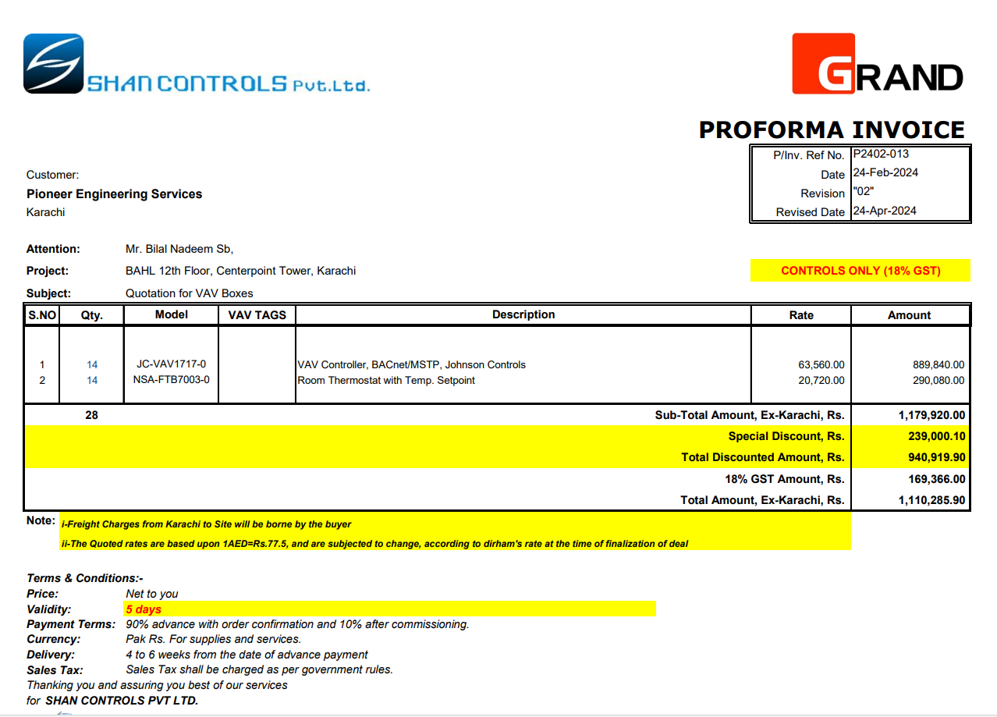

M/S Shan Controls |  |  |  |  |  | 25-Apr-24

Att: Mr. Imran

PURCHASE ORDER against quote Ref # P2402-013

Supply of VAVs Boxes for Bank Al Habib 12th Floor Center Point Karachi
S No. | D e s c r i p t i o n | Model | Qty | Unit | Rate | Amount
1 | VAV Controller, BACnet/MSTP, Johnson Controls | JC-VAV1717-0 | 14 | Nos | 63,560 | 889,840
2 | Room Thermostat with Temp. Setpoint | NSA-FTB7003-0 | 14 | Nos | 20,720 | 290,080
 |  |  |  |  |  | -
 |  |  | TOTAL: |  |  | 1,179,920
3 | Discount |  |  |  |  | 239,000
 |  |  | NET TOTAL |  |  | 940,920
4 | GST 18% |  |  |  |  | 169,366
5 | Grand Total |  |  |  |  | 1,110,286

Note: Above PO is subject to approval from the consultant.

for PIONEER ENGINEERING SERVICES

